Current Statement
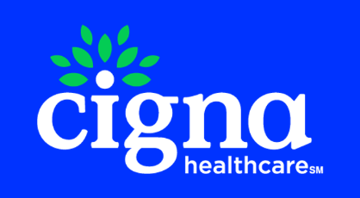
 |  |  | MAIN LINE BENEFITS LLC
 |  |  | Cigna Medicare Commission
 |  |  | 2025-12-05

Cigna Agent Resource Line (CARL): 1- 866-442-7516
Previous Balance | Number of New Applications | New Application Earnings | Number of Renewals | Renewal Earnings | Number of Chargeback | Chargeback Amount | Number of VBE | VBE Amount | Total Payment Due to Agent/Agency
$0.00 | 1 | $80.00 | 0 | $0.00 | 0 | $0.00 | 3 | $175.00 | $255.00

Payment Type | Beneficiary Name | Medicare Number | Cigna Member Id | Effective Date | Termination Date | Signature Date | State | Payment Amount | Cigna Agent Id | Agent NPN | Agent | GA | MGA | SGA | FMO | AFMO | Adjustment Notes
New Application | BEST, WADE | 3GJ7D76UC66 | 77X5L4L64 | 2025-08-01 | 2099-12-31 | 2025-07-09 | NM | 80 | C500975 | 9213293 | GARY PORTUGAL | MAIN LINE BENEFITS LLC |  |  |  |  | NEW PAY PAYMENT
VBE | BEST, WADE | 3GJ7D76UC66 | 77X5L4L64 | 2025-08-01 | 2099-12-31 | 2025-07-09 | NM | 50 | C500975 | 9213293 | GARY PORTUGAL | MAIN LINE BENEFITS LLC |  |  |  |  | 2025 VBE-Digital Incentive Payment
VBE | BEST, WADE | 3GJ7D76UC66 | 77X5L4L64 | 2025-08-01 | 2099-12-31 | 2025-07-09 | NM | 75 | C500975 | 9213293 | GARY PORTUGAL | MAIN LINE BENEFITS LLC |  |  |  |  | 2025 VBE-HRA Admin Fee
VBE | MCGOWAN, CYNTHIA | 4W86K53GJ44 | 36A3X2H39 | 2025-11-01 | 2099-12-31 | 2025-10-21 | IL | 50 | C644315 | 19586992 | BARRY SCHUMANN | MAIN LINE BENEFITS LLC |  |  |  |  | 2025 VBE-Digital Incentive Payment

